4 GUIDANCE
4 - GUIDANCE

This page provides guidance notes on how to use this tool. For a more comprehensive description of why it was developed and how it works, please see the supporting methodology report, available from Cornwall and Bath and North East Somerset Councils.
CAUTION! All values should be taken from SAP EPC Cost worksheet for as designed dwelling only, see example below. Do not use values for improved dwellings, or values from Energy Rating, Fabric Energy Efficiency, Dwelling Emission Rate, or Target Emission Rate,worksheets.

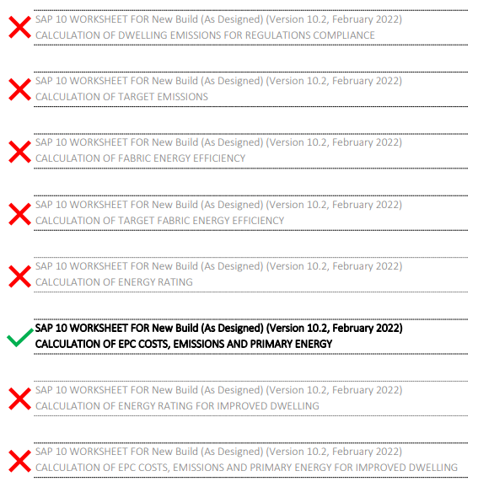
Climate Zone
Climate Zone | Select the climate zone for the development, this should be the same as the SAP climate zone.

Inputs - General
Quantity | If there are identical dwellings, enter the number here. This value is used to multiply any renewable energy deficit that may exist. Identical dwellings are considered to be homes that are the same type, shape, size, specification, orientation and have the same renewable provision. Mirrored houses are not considered identical.
Plot name | Use a new row for each plot, and enter a name that can be linked to the SAP calculation printout
Bedrooms | The number of bedrooms is required to calculate the Part F ventilation rate
Number of storeys
SAP Floor Area | Enter the dwelling's internal floor area entered into SAP
Volume | Enter the dwelling volume calculated by SAP
Site exposure | Select 'normal' for most cases. 'Extreme Exposure' should be used for buildings in open areas, or tall buildings in urban areas. 'Extreme Shelter' should only be used for low rise buildings in city centres or forests.

Inputs - Space Heating Demand
Air Permeability | Enter the design air permeability used in SAP here. This value can be changed to test the impact of different levels of airtightness on the building's energy consumption
Total Area External Elements | Enter the total area of external elements from SAP here.
Total Area Party Elements | Enter the total area of party floors, walls and ceilings from SAP here. Internal partitions within a dwelling should not be included.
Ventilation System | Select the appropriate ventilation system type, usually MVHR is required to achieve the policy requirements.
Heat Recovery % | Enter the heat recovery system efficiency calculated by SAP here. For non-MVHR systems, enter zero.
Thermal Mass
Fabric Heat Loss | This single figure from SAP captures the transmission losses of the building fabric due to floors, walls, roofs, windows, doors, and thermal bridges.
Solar Gains | Enter the solar gains for each month calculated by SAP here.

Inputs - Total Energy Use
Space Heat Source - Primary | Select the type of primary space heating source from the drop down list
Heating Efficiency - Primary | Enter the efficiency of the primary space heating source assumed in SAP
Space Heat Source - Secondary | Where present, select the type of secondary space heating source from the drop down list
Heating Efficiency - Secondary | Where present, enter the efficiency of the secondary space heating source assumed in SAP
Fraction of Heat - Secondary | Where present, enter the proportion of heat provided by the secondary space heating source assumed in SAP
Domestic Hot Water Source | Select the type of water heating source from the drop down list
Water Heating Efficiency | Enter the efficiency of the water heating source assumed in SAP
Hot Water Storage Losses | Enter the daily losses for any hot water stores assumed in SAP
Pumps and Fans Energy | Enter the electricity use for pumps and fans calculated by SAP
Lighting Efficacy | Enter the average lighting efficacy for the whole dwelling in lumens per Watt.

Inputs - Renewables
Renewable Generation | Enter the renewable energy generation reported by SAP here as a negative number. To ensure the correct renewable energy generation figure is obtained, the 'MCS certified' box in SAP should be checked, and if the dwelling has a Solar PV Diverter, this should be disabled in the SAP calculation.

Water Heating Reductions
Water Heating Reductions | If the dwelling has wastewater heat recovery, solar water heating, or flue gas heat recovery, enter the reduction to hot water demand for each month here. Solar PV diverters should be disabled when generating SAP calculation results for use in this tool.

